1
EAN | Imagen | Descripción | Uds/palet | STOCK
8429160594082 | 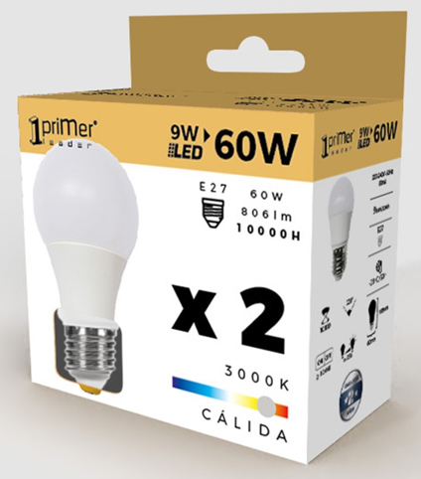 | Pack 2 Bombillas LED Estándar E27 9W Equi.60W 806lm 10000H 1Primer Leader | 1500 | 21448
8429160594099 | 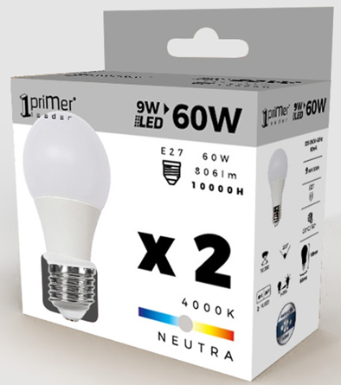 | Pack 2 Bombillas LED Estándar E27 9W Equi.60W 806lm 10000H 1Primer Leader | 1500 | 15804
8429160594105 | 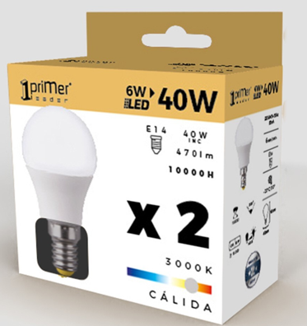 | Pack 2 Bombillas LED Esférica E14 6W Equi.40W 470lm 10000H 1Primer Leader | 3000 | 17813
8429160594112 | 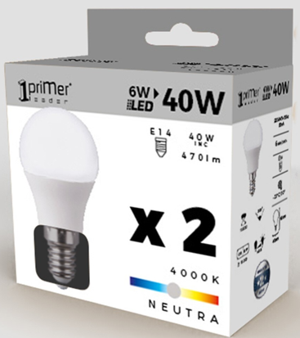 | Pack 2 Bombillas LED Esférica E14 6W Equi.40W 470lm 10000H 1Primer Leader | 3000 | 18285
8429160594129 | 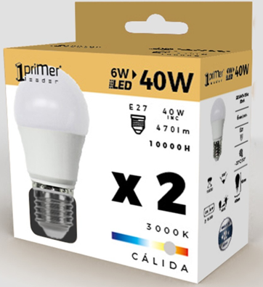 | Pack 2 Bombillas LED Esférica E27 6W Equi.40W 470lm 10000H 1Primer Leader | 3000 | 23864
8429160594136 | 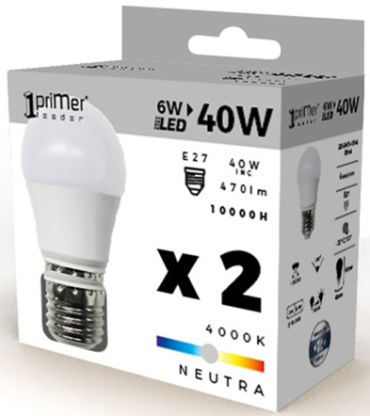 | Pack 2 Bombillas LED Esférica E27 6W Equi.40W 470lm 10000H 1Primer Leader | 3000 | 33517
8429160594143 | 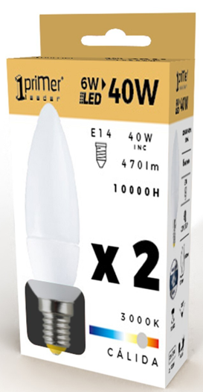 | Pack 2 Bombillas LED Vela E14 6W Equi.40W 470lm 10000H 1Primer Leader | 4000 | 46350
8429160594150 | 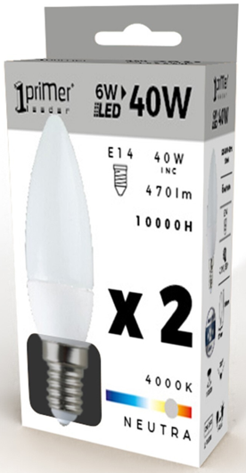 | Pack 2 Bombillas LED Vela E14 6W Equi.40W 470lm 10000H 1Primer Leader | 4000 | 36053
 |  |  |  | 213134

